Best Selling Item
Business Requirement:
What are the best-selling menu items in each state and what quantity of supplies
are needed to support demand over time?
Row Labels | Sum of OrderAmount | Sum of Sales
Colorado
1
Analysis:
Looking at the graph on the left, we can see how many of each drink is ordered, how much revenue that particular drink brings in, and the sum of all sales for that drink. In some cases, the sum of order amount does not equal a higher sum of sales. For example, drink 20 only had an amount of 400 but brought in the highest volume of sales.
By comparing this information to the two graphs, we can see this information relayed again while also showing how many ingredients those corresponding drinks each need. In Colorado, drink 6, 7, and 10 are three top selling items. Drink 6 requires 4 ingredients. Drink 7 requires 8 ingredients. Drink 10 requires 10 ingredients. Among the 3 drinks, their profits are similar. In California, Drink 8, 15, and 18 are three top selling items. Drink 8 and 15
both require 9 Ingredients and drink 18 requires 8 ingredients.
Business Recommendations:
From looking at the information in these three graphs, we can see that drinks 7,8,and 10 in Colorado all bring in similar profits and are equally ordered. The ingredients needed to make these three drinks should be kept on hand at all times. We can also recommend possibly cutting out a drink that requires a lot of ingredients and but does not bring in much profit; for example, drink 15 uses 9 ingredients and brings in a low amount of sales in Colorado.
Conversely, in California, we can recommend these stores always stock ingredients for drink 15 since it brings in much higher sales that in Colorado. This drink may be iced and much more popular in the warmer California weather than in cold Colorado. We would also recommend Califonria stores cut drink 2 from thier menues since it requires 8 ingredients and doesn't bring in enough sales to remain on the menu. By removing drinks each year and offering new ones, both States' stores can continue to bring in customers looking for something 'new' and get existing customers to find a new favorite, as well.
10 | 450 | 1215
 | Sum of Sales | Sum of OrderAmount
10 | 1215 | 450
8 | 945 | 350
6 | 450 | 250
5 | 540 | 300
6 | 1440 | 400
4 | 2160 | 600
8 | 1800 | 500
9 | 910 | 350
10 | 900 | 250
10 | 2800 | 500
12 | 1400 | 200
8 | 1400 | 200
3 | 1050 | 150
4 | 700 | 100
9 | 1400 | 200
7 | 1050 | 150
5 | 1750 | 250
8 | 2800 | 400
7 | 3150 | 450
0 | 2800 | 400
2
8 | 350 | 945
3
6 | 250 | 450
4
5 | 300 | 540
5
6 | 400 | 1440
6
4 | 600 | 2160
7
8 | 500 | 1800
8
9 | 350 | 910
9
10 | 250 | 900
10
10 | 500 | 2800
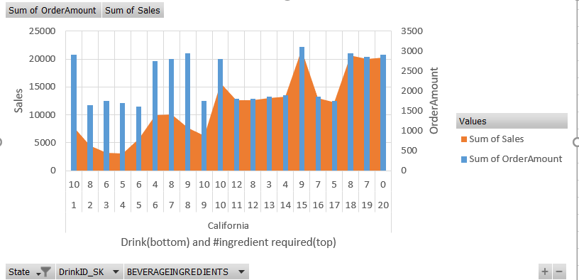
11
12 | 200 | 1400
12
8 | 200 | 1400
13
3 | 150 | 1050
14
4 | 100 | 700
15
9 | 200 | 1400
16
7 | 150 | 1050
17
5 | 250 | 1750
18
8 | 400 | 2800
19
7 | 450 | 3150
20
0 | 400 | 2800
Grand Total | 6450 | 30660

Returning Customer
Business Requirement:
How many customers come back more than once in each city and would Cocktail Café benefit from introducing a membership program?
Row Labels | Sum of Sales | Count of Sales2
California
Yes
1 | 21700 | 88
 | Sum of Sales | Count of Sales2
1 | 21700 | 88
2 | 24175 | 94
3 | 21250 | 84
4 | 21780 | 84
5 | 22910 | 87
6 | 19585 | 79
7 | 20785 | 79
8 | 18400 | 71
9 | 17185 | 67
10 | 18915 | 73
11 | 14690 | 58
12 | 7330 | 29
13 | 4430 | 15
2 | 24175 | 94
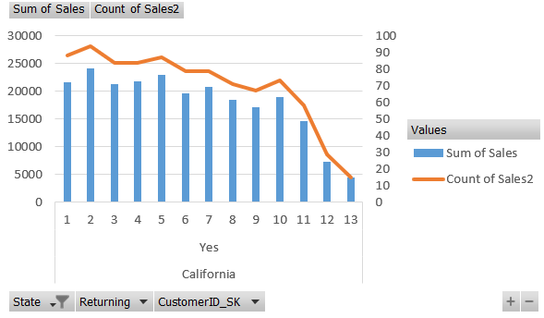
3 | 21250 | 84
4 | 21780 | 84
5 | 22910 | 87
6 | 19585 | 79
7 | 20785 | 79
8 | 18400 | 71
9 | 17185 | 67
10 | 18915 | 73
11 | 14690 | 58
12 | 7330 | 29
13 | 4430 | 15
Grand Total | 233135 | 908

Analysis:
Cocktail Café is considering implementing a membership or rewards program and wants to use customer data to determine if this will be profitable.
Considering both the number of repeat customers and how many times they visit a location in a given amount of time, they can determine which
decision to make. Having customers want to come back for the rewards may increase profits and help spread word of their business.
In Colorado, all the customers are returning customers. There are 5 customers who have already visited CocktailCafe for more than 10 times.
In California, all the customers are returning customers. Most of the returning memebers has visited CocktailCafe for more than 70 times.
Business Recommendations:
Based on the result, it is necessary to hold membership in California to keep ad connect more bonds to the returning customers.
Compared to Colorado, holding membership there is good, but not necessary. Since we only have a limited amount of stores in Colorado, we might need
to think more about having more chain stores instead of rush for memberships

